Sheet1
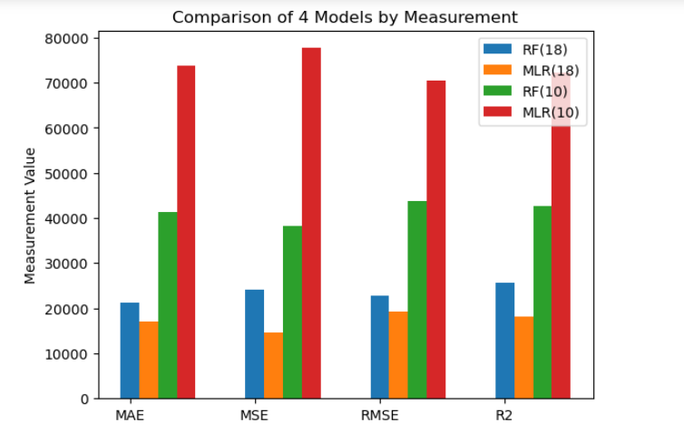
Model name | Parameters | MAE | MSE | RMSE | R-squared
Random Forest | 18 features | 22811.2 | 1922061103.3 | 43841.31 | 0.7
Multiple Linear Regression | 18 features | 24223.33 | 1454333984.6 | 38135.73 | 0.77
Random Forest | 10 features | 22811.2 | 1922061103.3 | 43841.31 | 0.7
Multiple Linear Regression | 10 features | 25590.81 | 1812778129.9 | 42576.73 | 0.72

